Sheet1
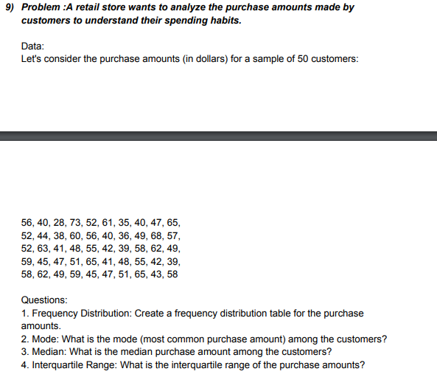
DATA
28 | 58 | Class Interval | Bins | Frequency | ANSWERS
35 | 45 | 20-30 | 30 | 1 | MODE | 58
36 | 62 | 30-40 | 40 | 8 | MEDIAN | 50
38 | 55 | 40-50 | 50 | 16 | INTERQUARTILE RANGE [Median of 1st half of the data - Median of 2nd half of the data] | 0
40 | 39 | 50-60 | 60 | 16
40 | 47 | 60-70 | 70 | 8
40 | 58 | 70-80 | 80 | 1
41 | 65 |  | More | 0
Purchased Amount
44 | 48
47 | 51
48 | 43
49 | 49
52 | 49
52 | 41
52 | 47
55 | 58
56 | 42
56 | 39
57 | 45
60 | 42
61 | 59
63 | 51
65 | 65
68 | 59
73 | 62

